Chart - Station Type
Fire Station Statistics
Back to Table of Contents

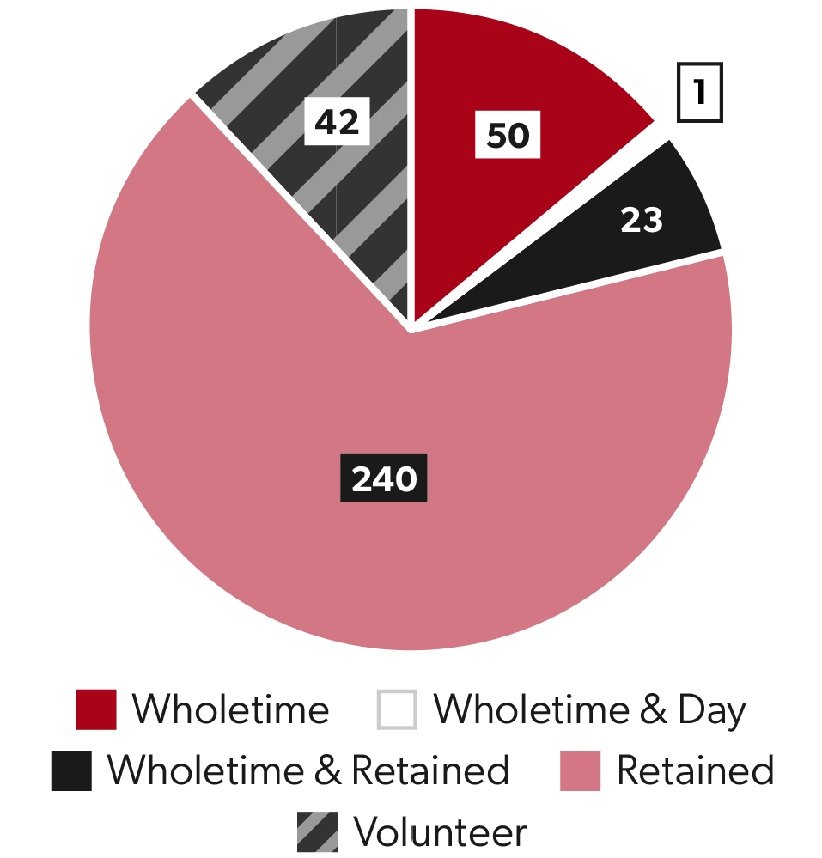
Fire Station Types
Chart Code
C_FS_P1 |  |  | Wholetime | 74
 |  |  | Retained | 240
 |  |  | Volunteer | 42

 | Wholetime | 74
 | Retained | 240
 | Volunteer | 42

Chart - Area
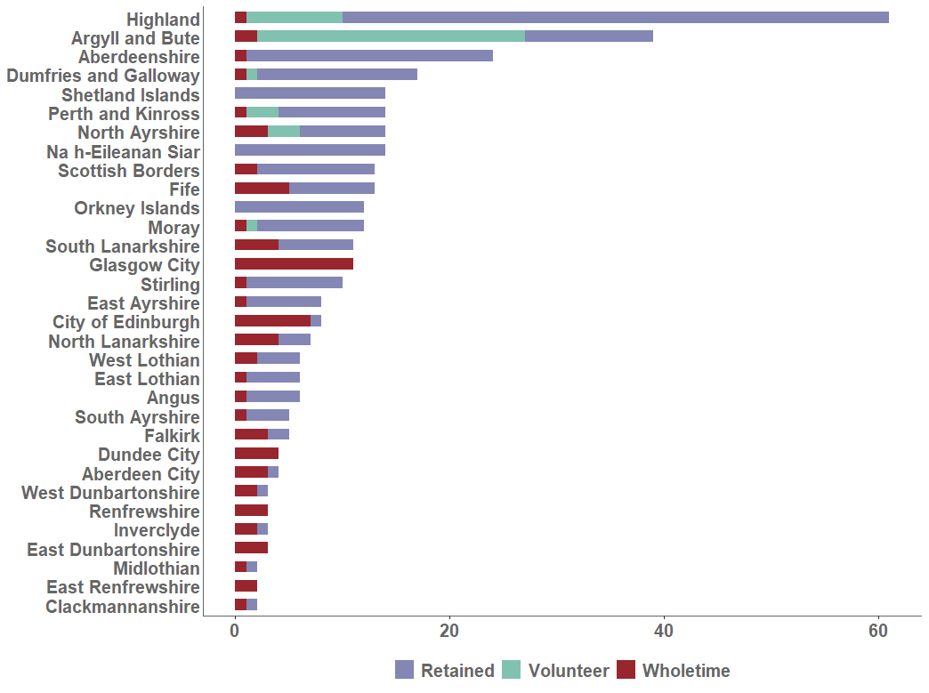
Fire Station Statistics
Back to Table of Contents

Fire Stations by Crewing Model and Local Authority
Chart Code
C_FS_LAB1

Chart - Map
Fire Station Statistics
Back to Table of Contents
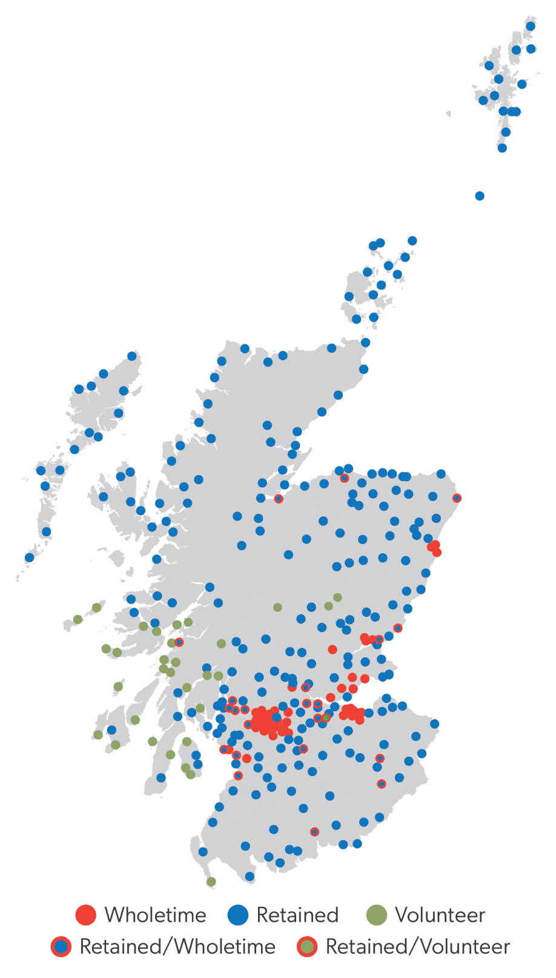
Map of Fire Stations by Type
Chart Code
C_FS_M1

Chart Number of Roles
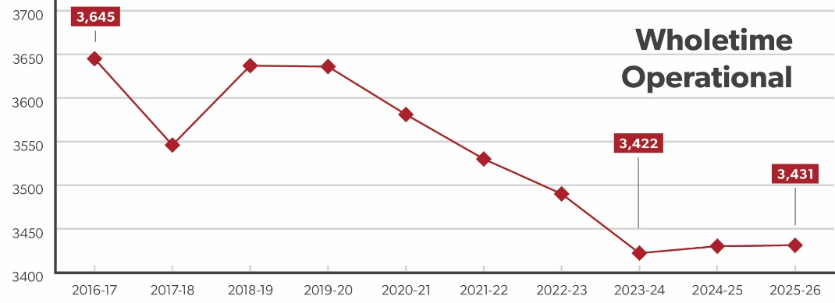
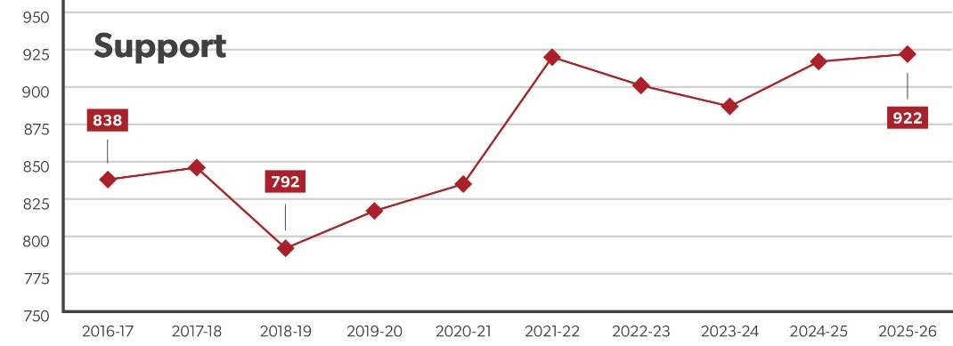
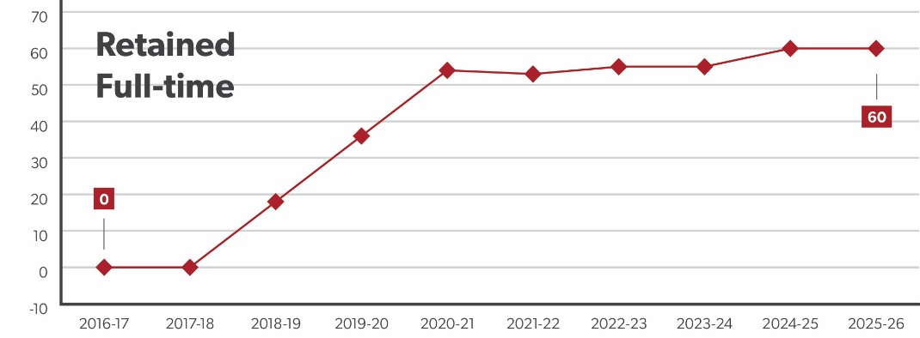
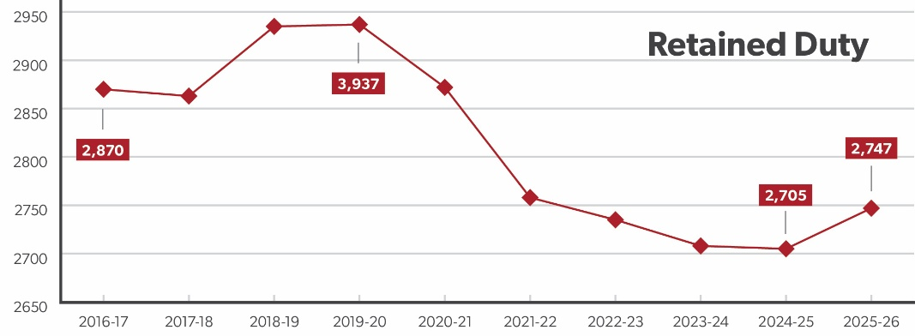
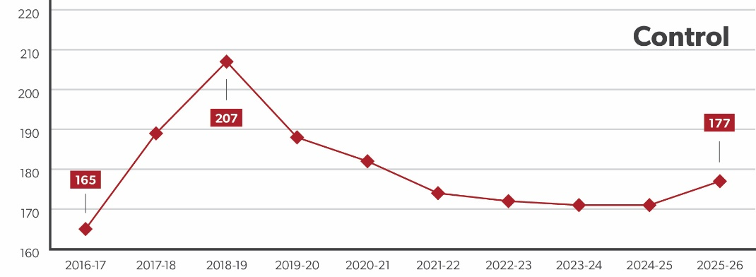
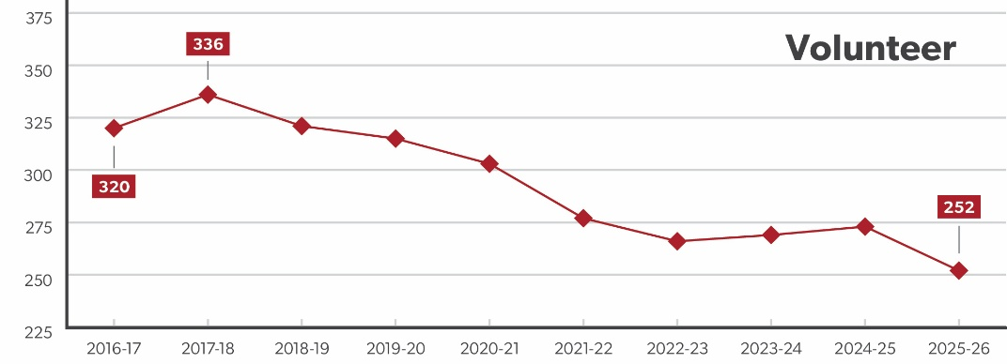
Workforce Statistics
Back to Table of Contents

Number of Roles by Type of Staffing
Chart Code
C_WF_STH1

Chart FTE
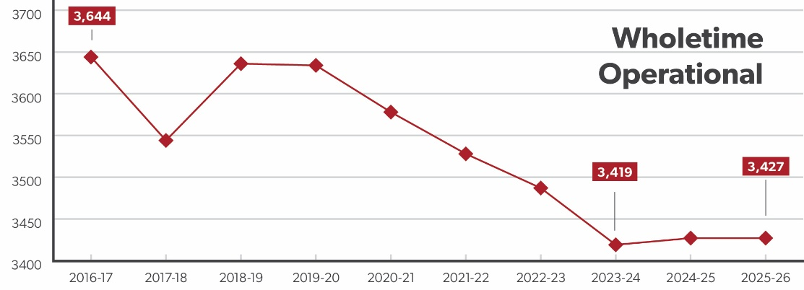
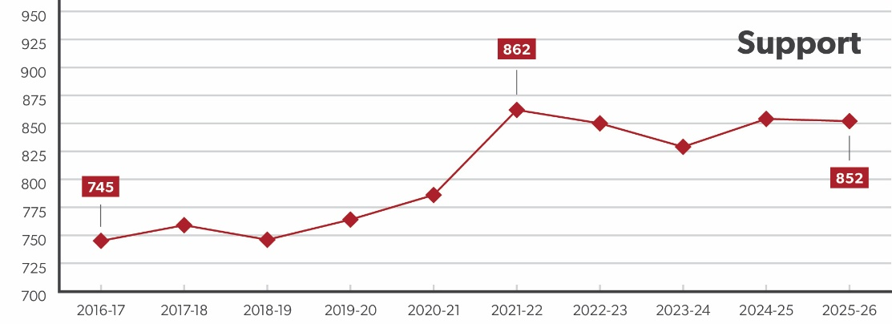
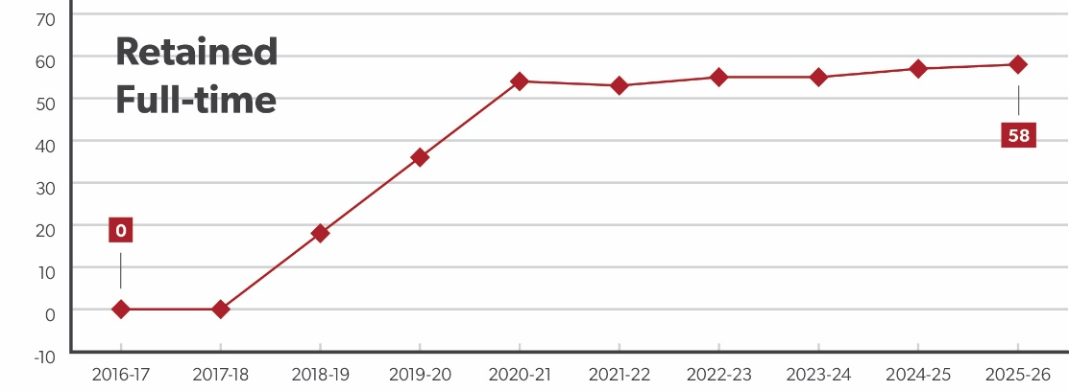
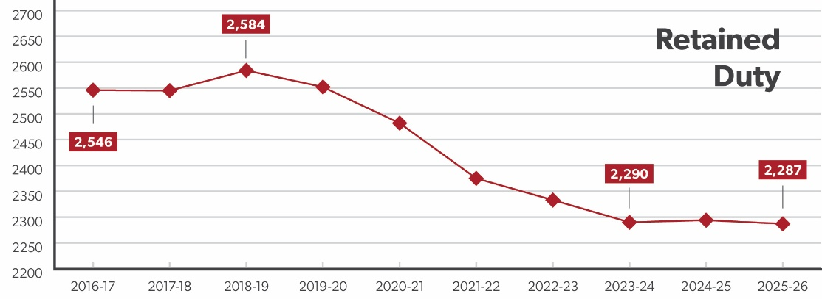
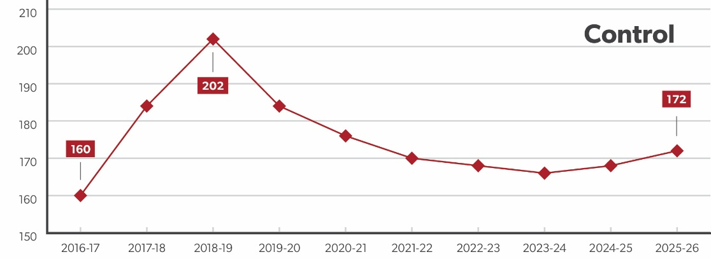
Workforce Statistics
Back to Table of Contents

Full Time Equivalent by Type of Staffing
Chart Code
C_WF_STF1

Chart Sex
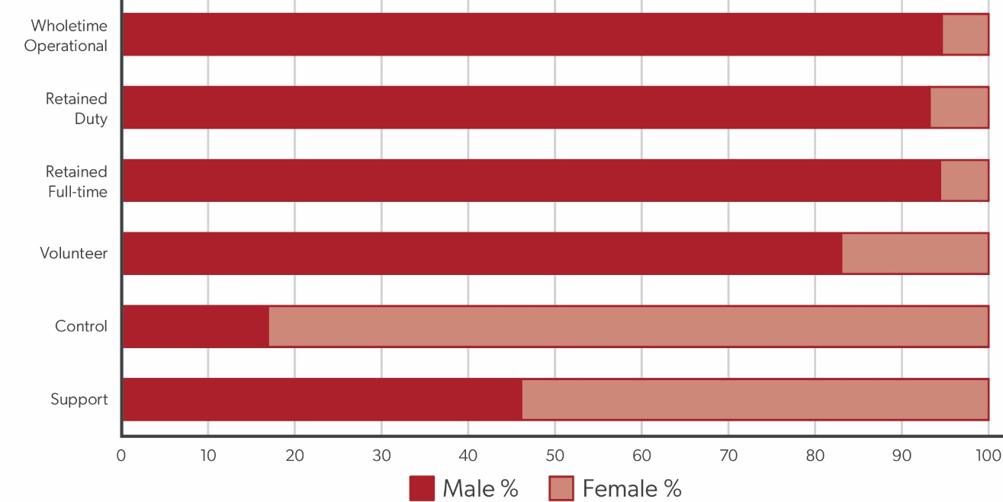
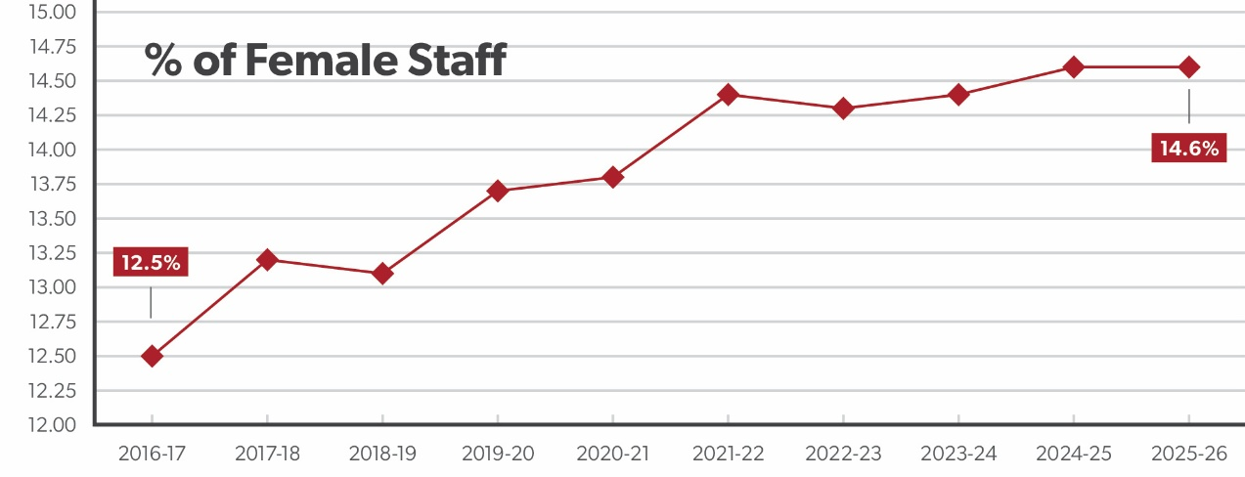
Workforce Statistics
Back to Table of Contents

Staff Type by Sex - Number of Roles
Chart Code
C_WF_STGH1

Chart Age
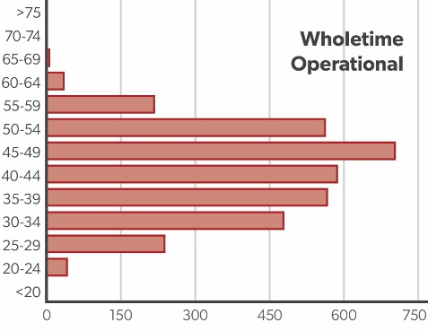
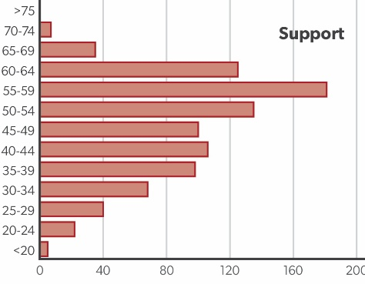
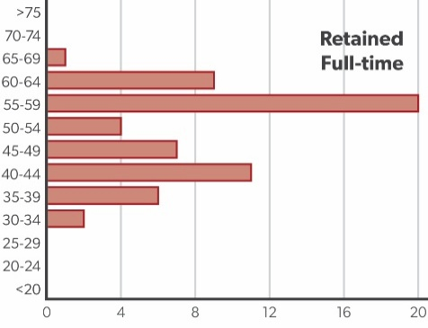
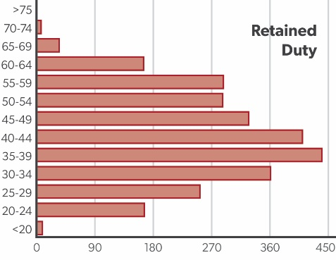
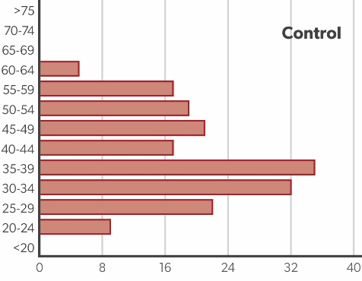
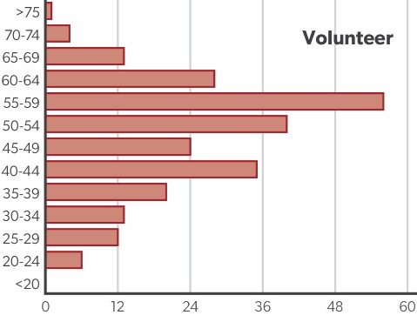
Workforce Statistics
Back to Table of Contents

Staff Type by Age Range - Headcount
Chart Code
C_WF_STARH1

Chart Service Length
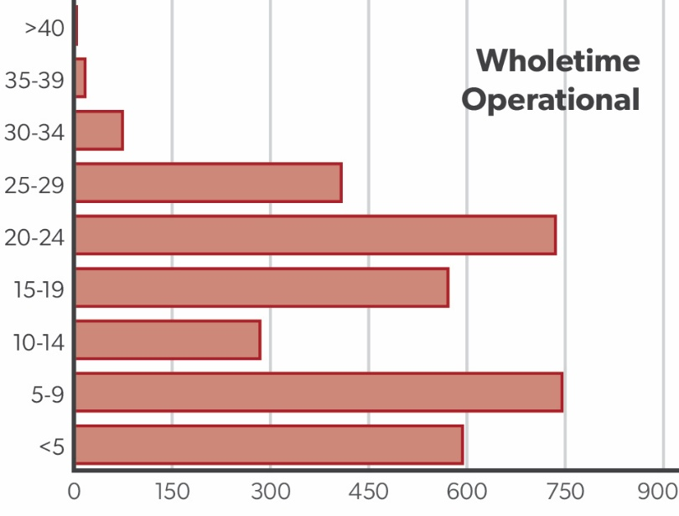
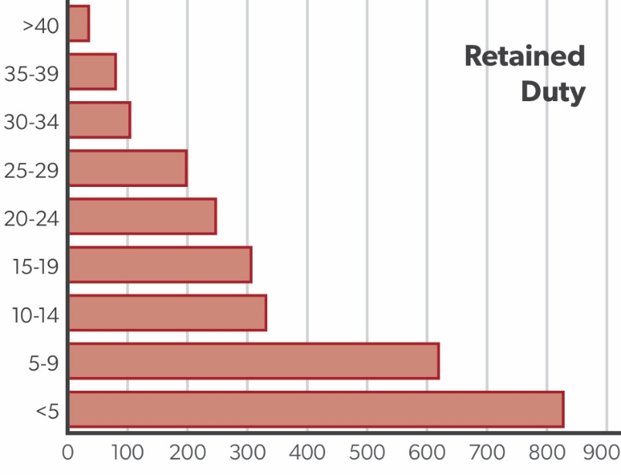
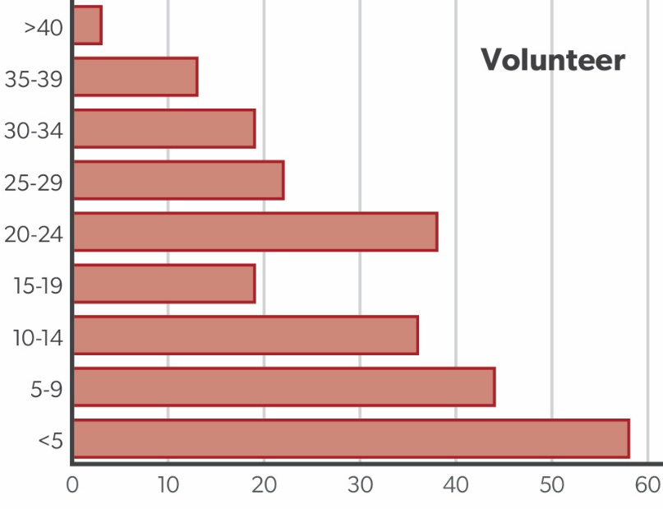
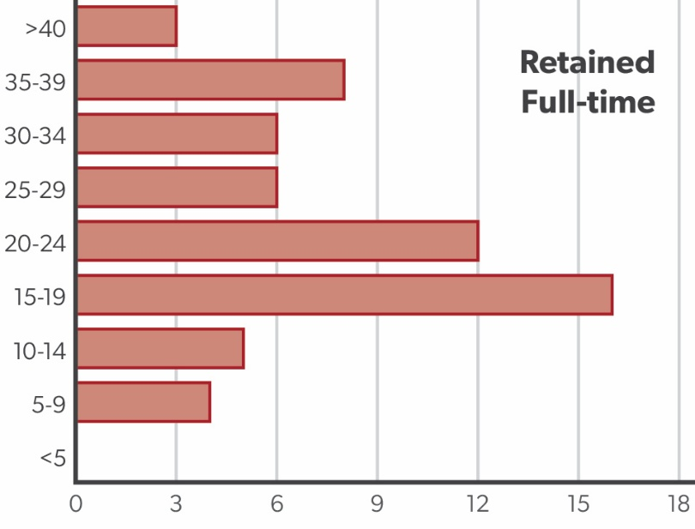
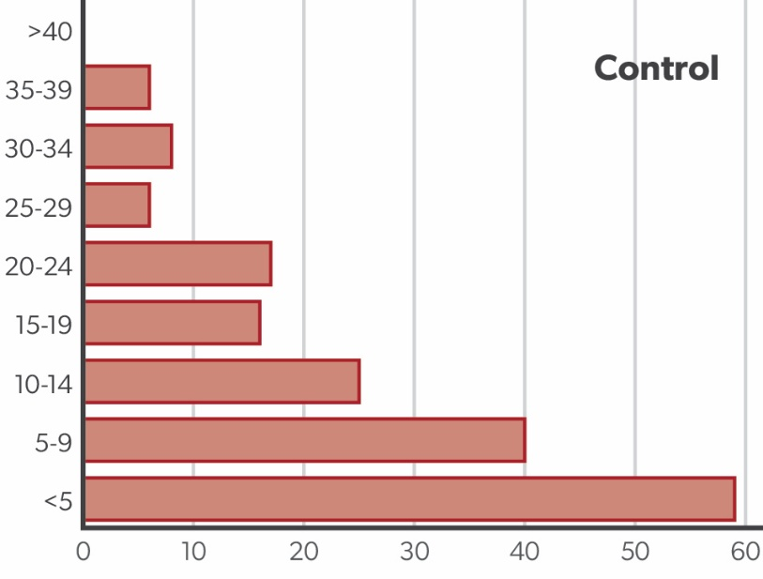
Workforce Statistics
Back to Table of Contents

Staff Type by Service Length - Headcount
Chart Code
C_WF_STSLH1

Chart - AttacksMap
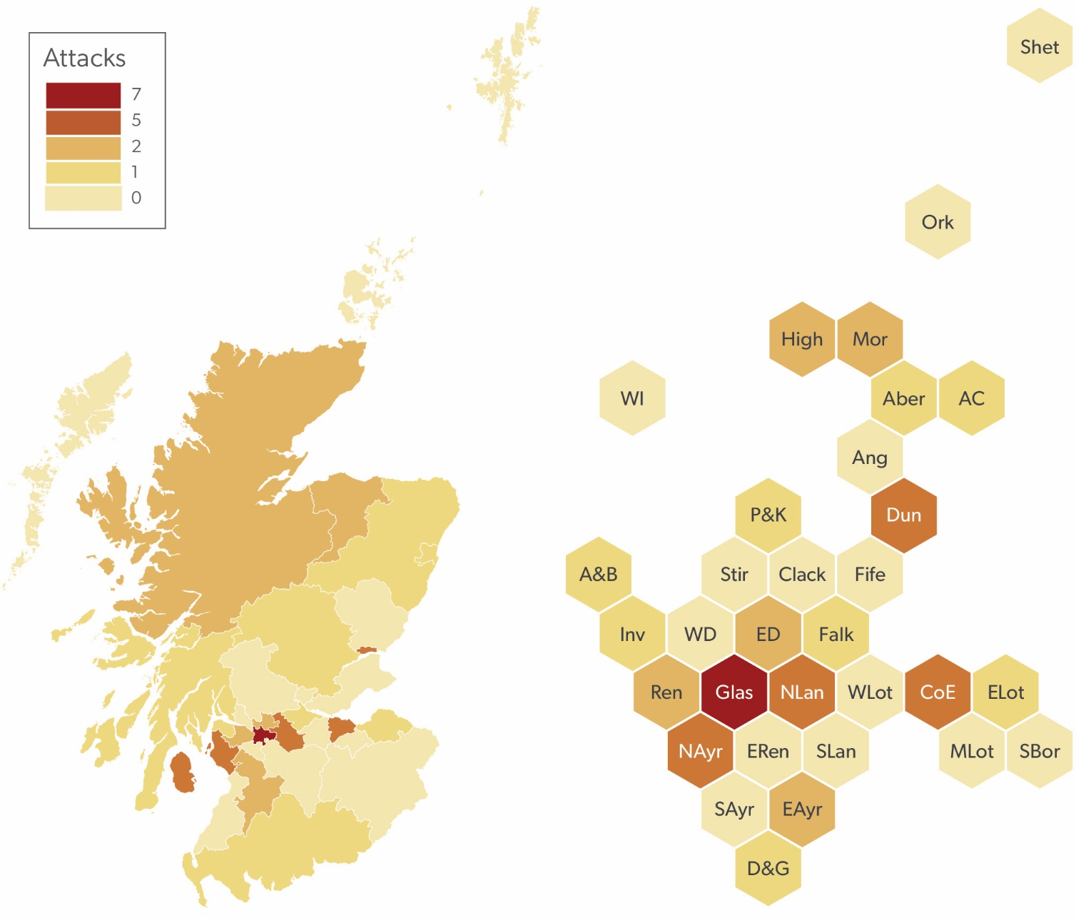
Attacks on SFRS Personnel Statistics
Back to Table of Contents

Attacks on SFRS Personnel by Type of Attack
Chart Code
C_ATSLA1

Chart HFSVs
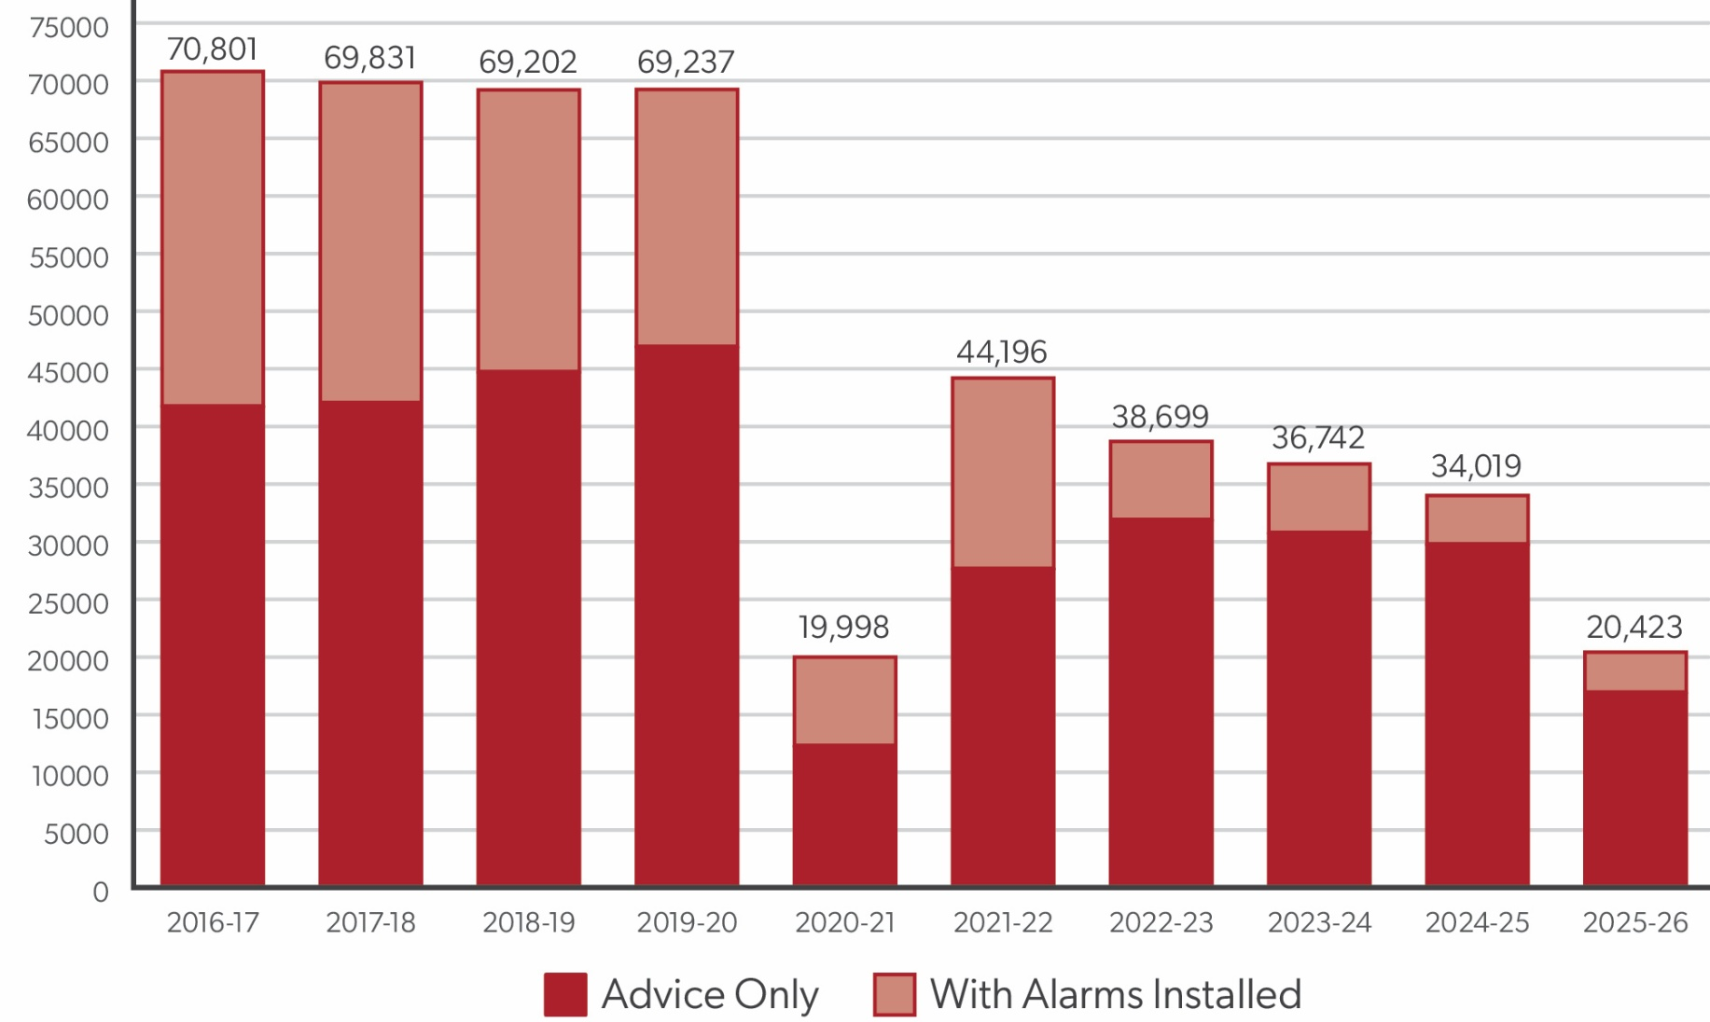
Home Fire Safety Visits Statistics
Back to Table of Contents

Home Fire Safety Visits by Outcome
Chart Code
C_HV_OS1

Chart Alarms
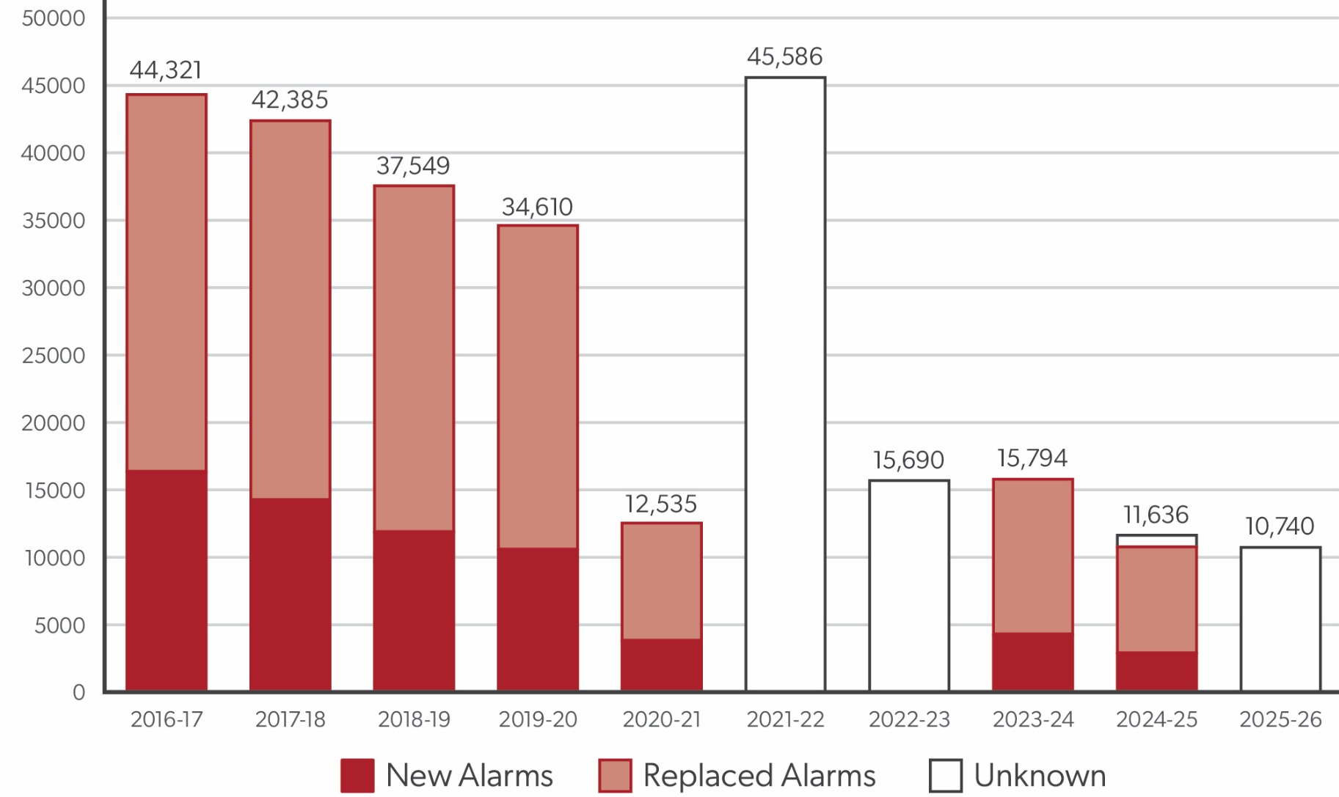
Home Fire Safety Visits Statistics
Back to Table of Contents

Alarms Installed
Chart Code
C_HV_AIS1

Chart SIMD
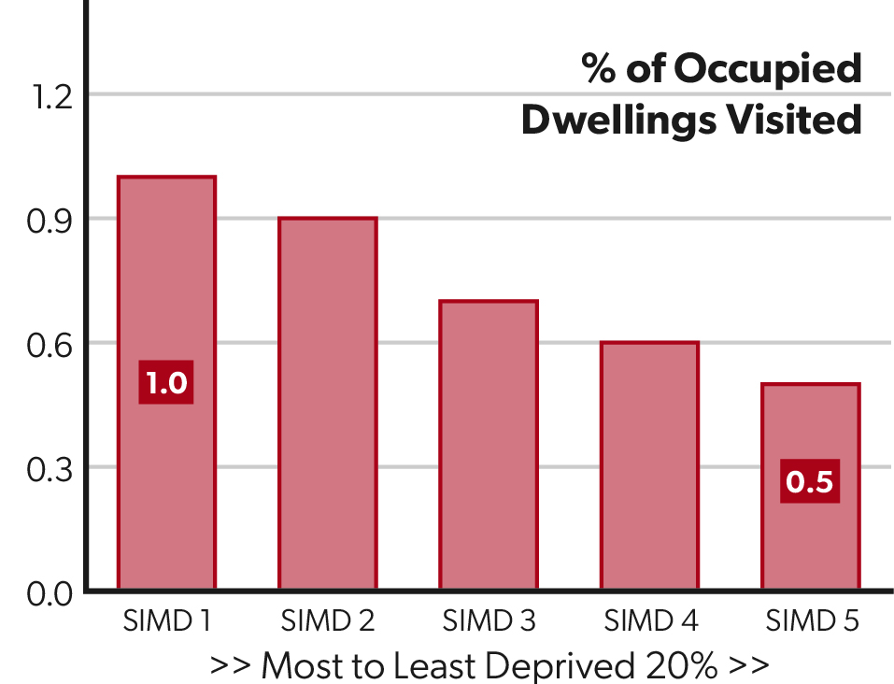
Home Fire Safety Visits Statistics
Back to Table of Contents

Rate of Home Fire Safety Visits by SIMD
Chart Code
C_HV_SIMDP1

Chart SIMD Alarms
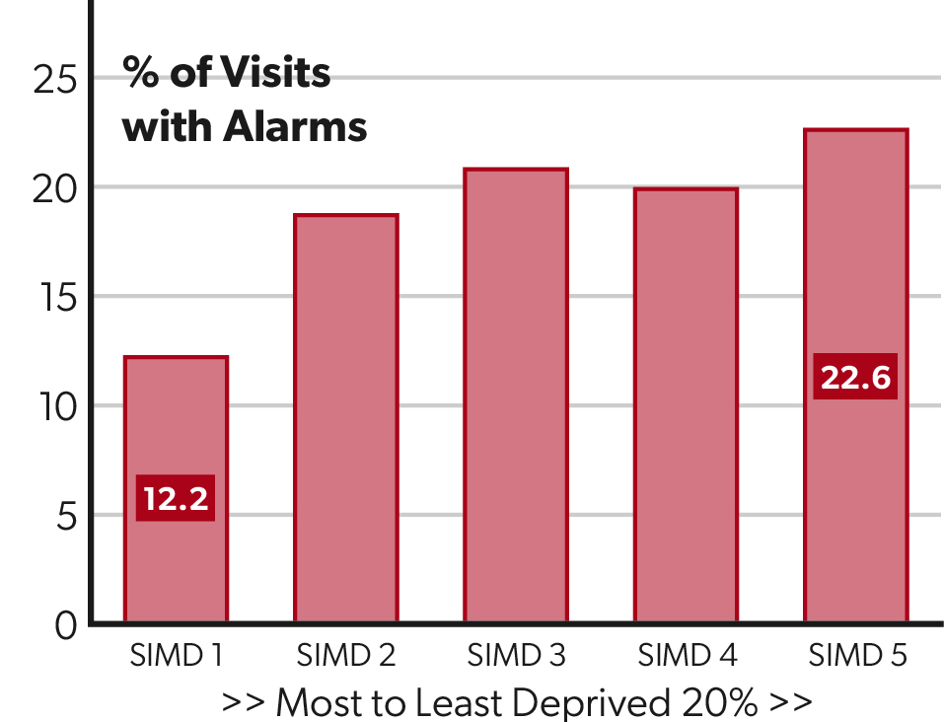
Home Fire Safety Visits Statistics
Back to Table of Contents

Rate of Home Fire Safety Visits with Alarms Installed by SIMD Quintile
Chart Code
C_HV_SIMDAP1

Chart SIMD AlarmRate
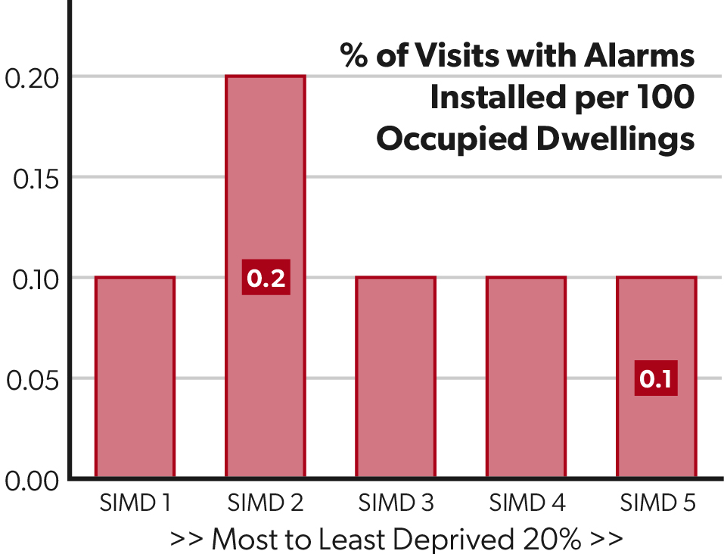
Home Fire Safety Visits Statistics
Back to Table of Contents

Rate of Home Fire Safety Visits with Alarms Installed per 100 Occupied Dwellings by SIMD Quintile
Chart Code
C_HV_SIMDAR1

Chart SIMD OwnerOcc
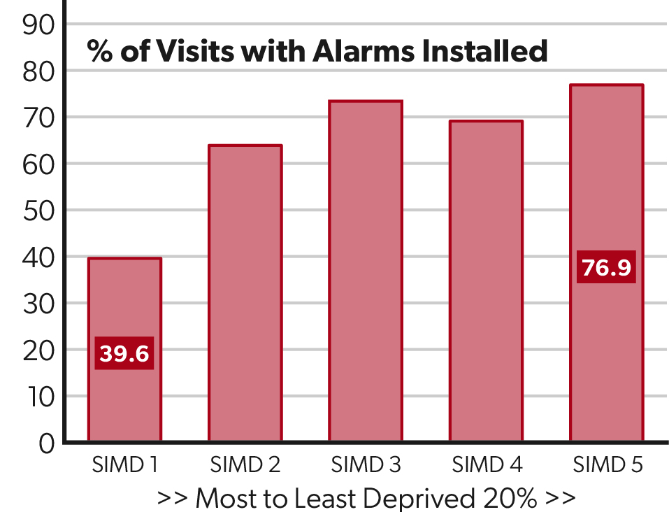
Home Fire Safety Visits Statistics
Back to Table of Contents

Rate of Home Fire Safety Visits with Alarms Installed per 100 Occupied Dwellings by SIMD Quintile
Chart Code
C_HV_SIMDOOP1

Chart SIMD OwnerYears
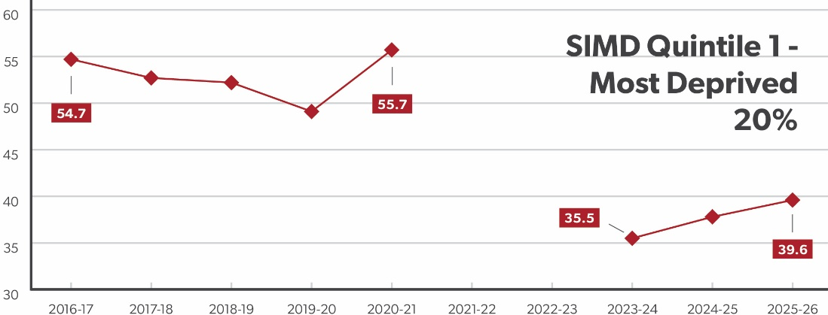
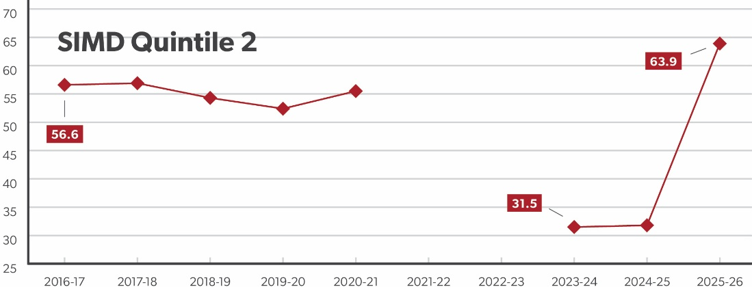
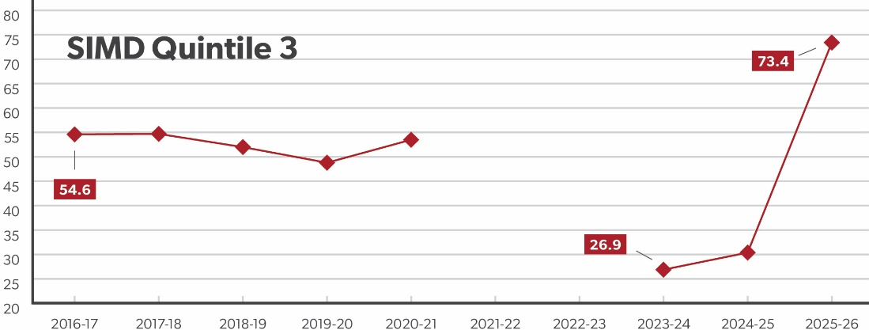
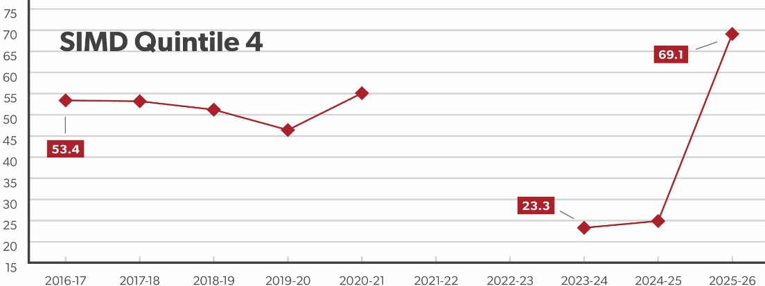
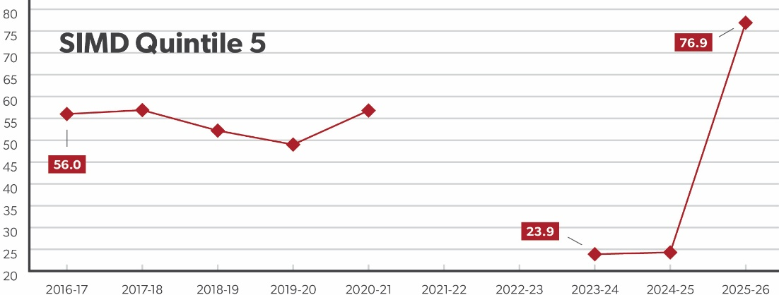
Home Fire Safety Visits Statistics
Back to Table of Contents

Percentage of Home Fire Safety Visits with Alarms Installed in Owner Occupied Properties by SIMD Quintile
Chart Code
C_HV_SIMDOOCT1

Chart Rurality
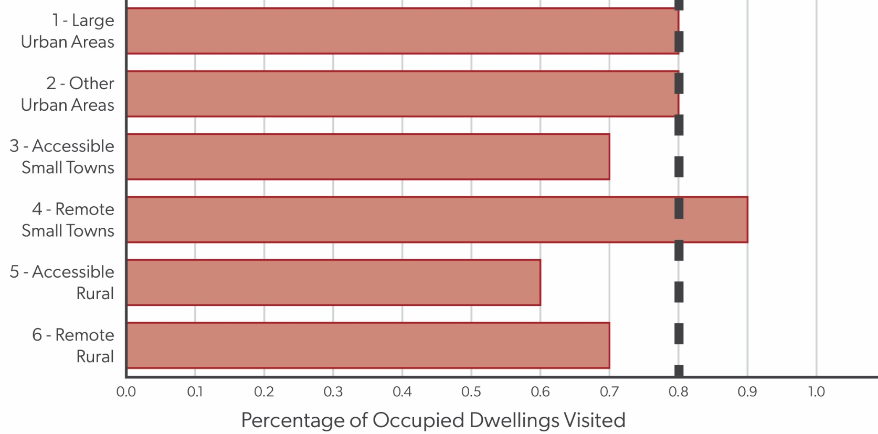
Home Fire Safety Visits Statistics
Back to Table of Contents

Rate of Home Fire Safety Visits by Rurality
Chart Code
C_HV_RURP1

Chart LA
Home Fire Safety Visits Statistics
Back to Table of Contents

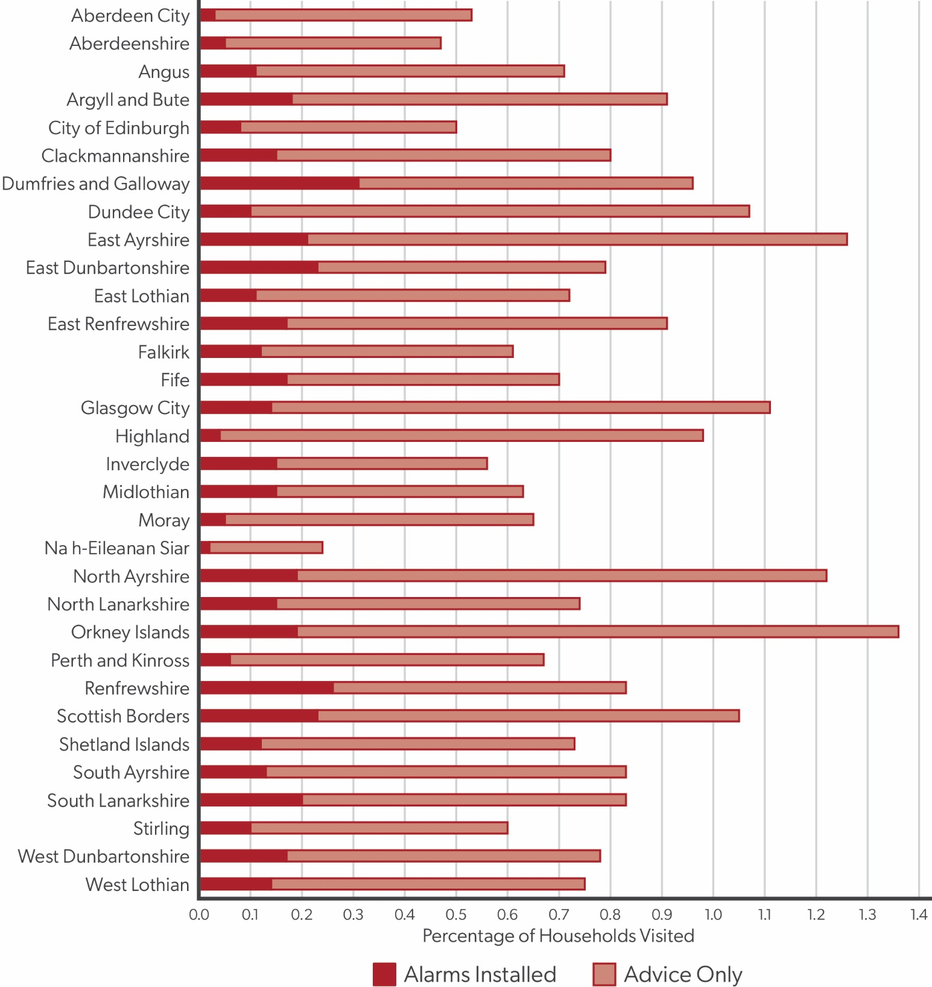
Rate of Home Fire Safety Visits by Local Authority
Chart Code
C_HV_LAP1

Chart Map
Home Fire Safety Visits Statistics
Back to Table of Contents

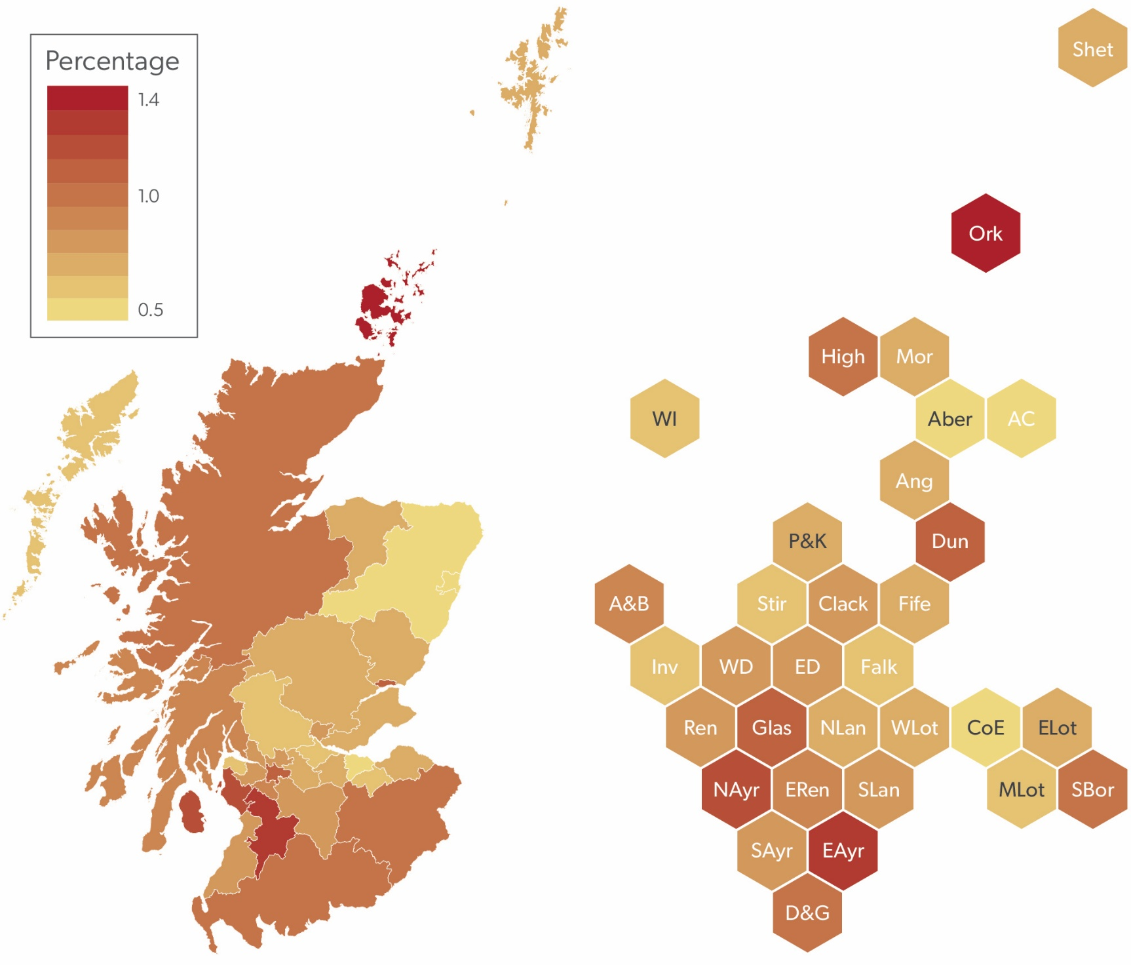
Rate of Home Fire Safety Visits per 100 Households by Local Authority - Map
Chart Code
C_HV_LAM1

Chart Alarms Map
Home Fire Safety Visits Statistics
Back to Table of Contents

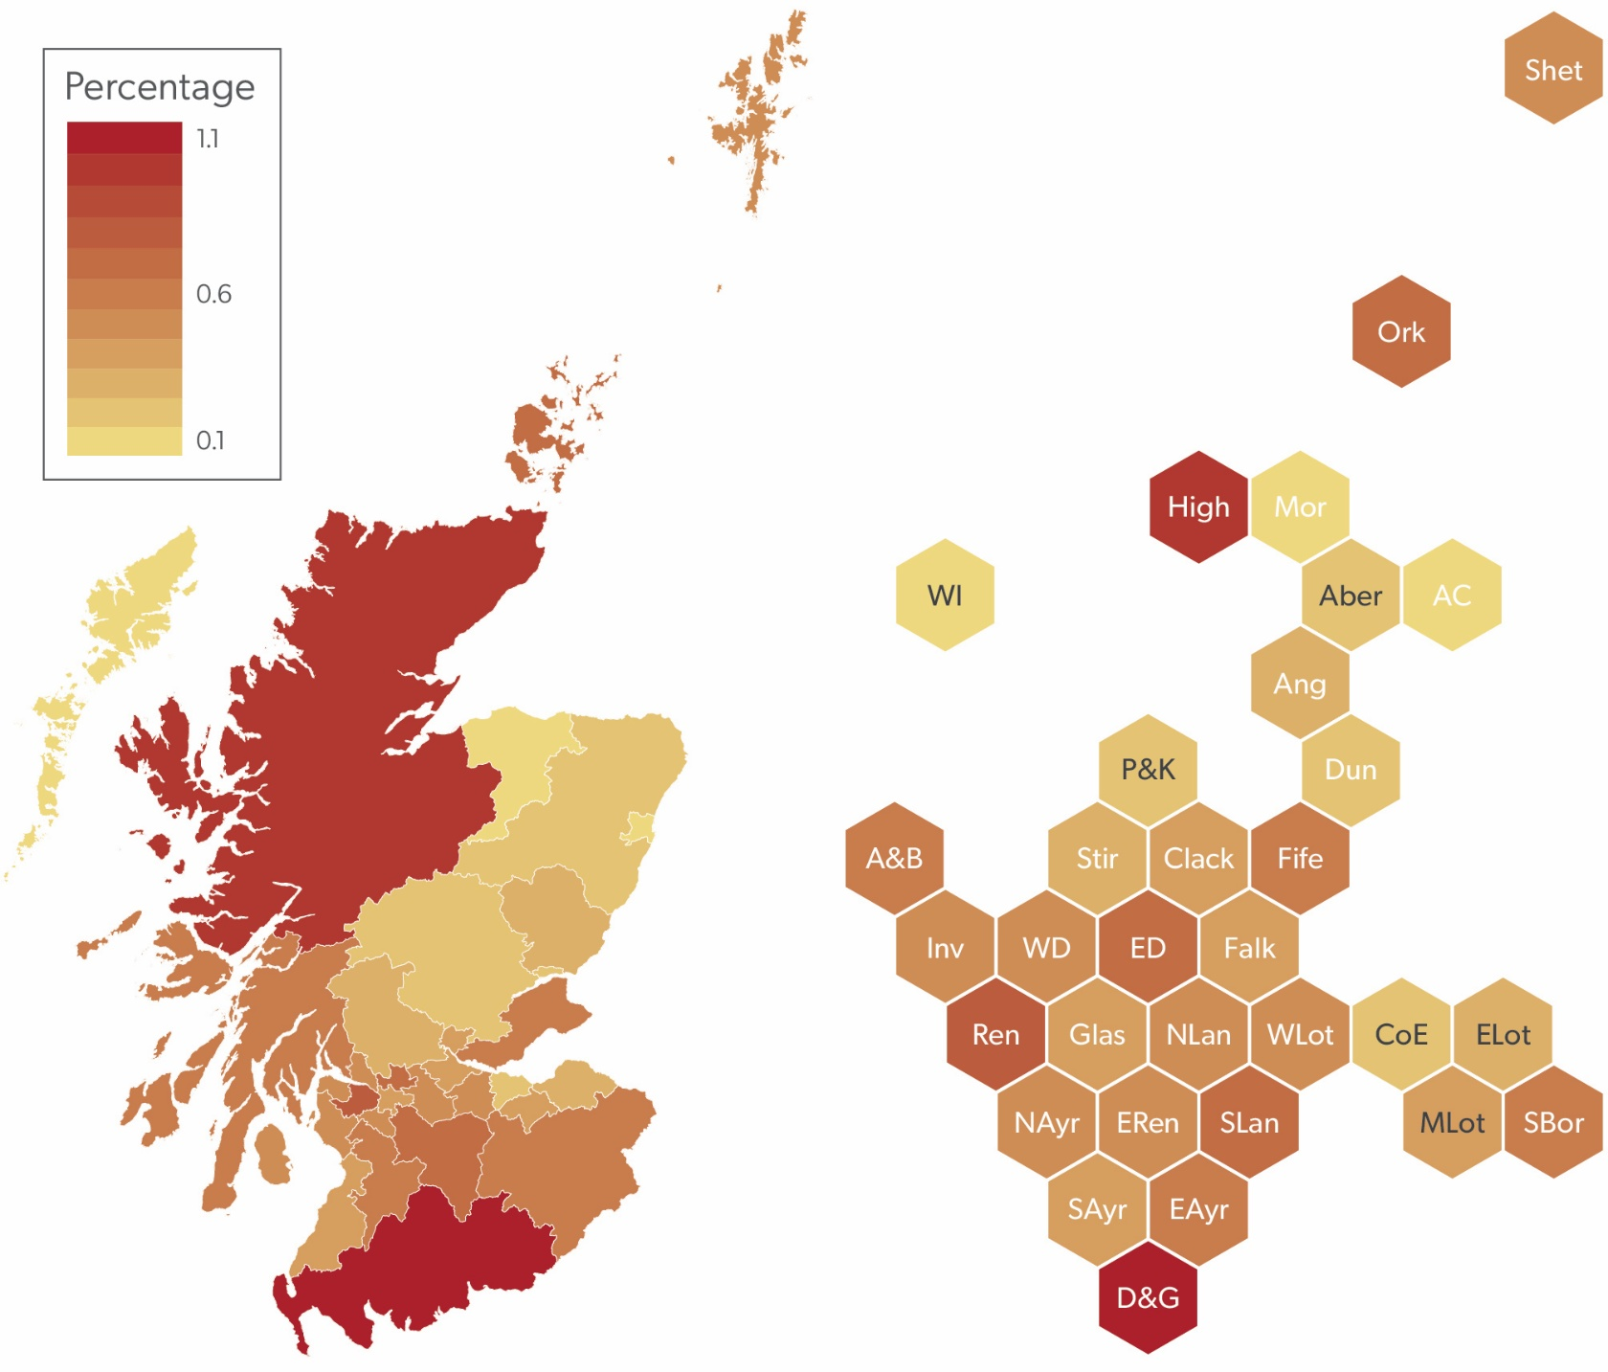
Rate of Alarms Installed per 100 Households by Local Authority
Chart Code
C_HV_LAALM1

Chart Workflows
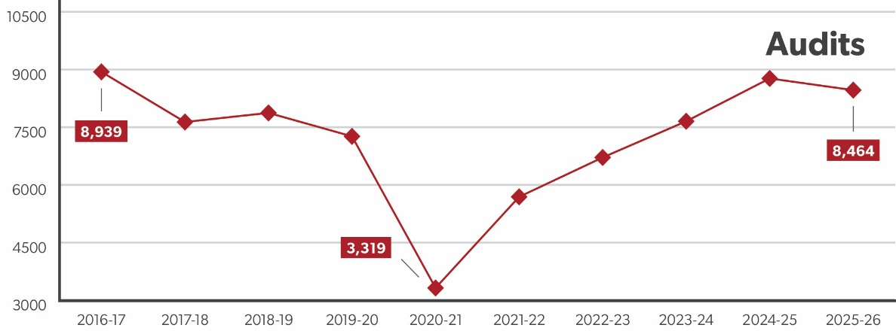
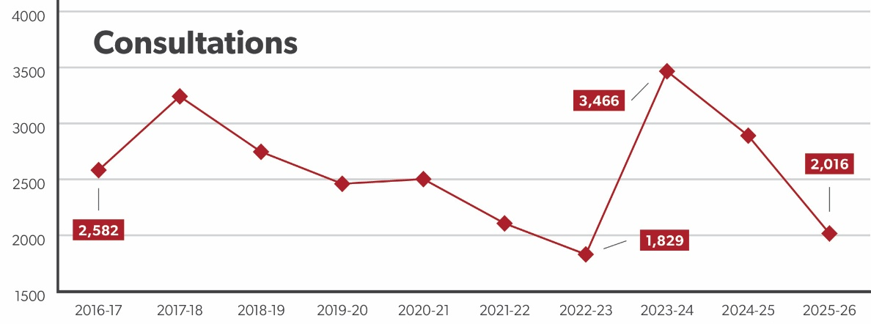
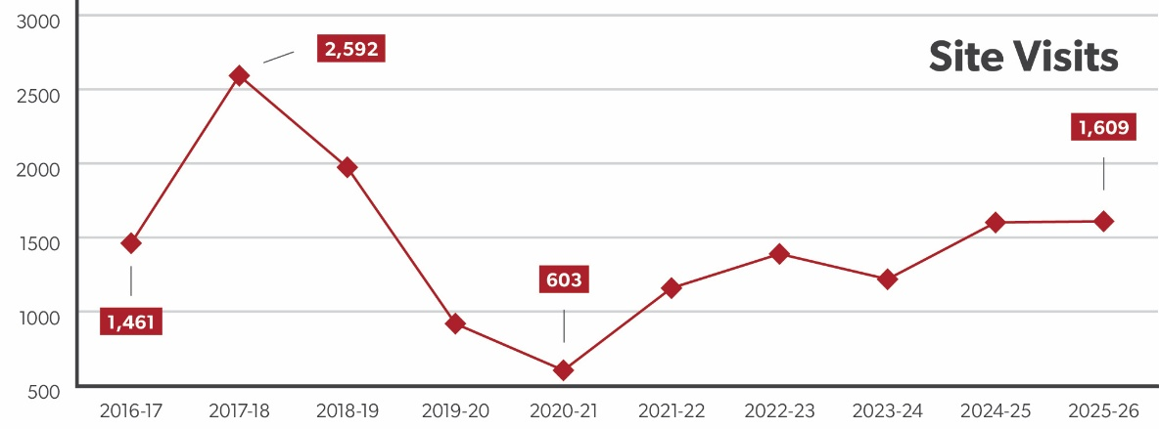
Non-domestic Fire Safety Statistics
Back to Table of Contents

Non-domestic Workflows
Chart Code
C_ND_WS1

Chart Audits
Non-domestic Fire Safety Statistics
Back to Table of Contents

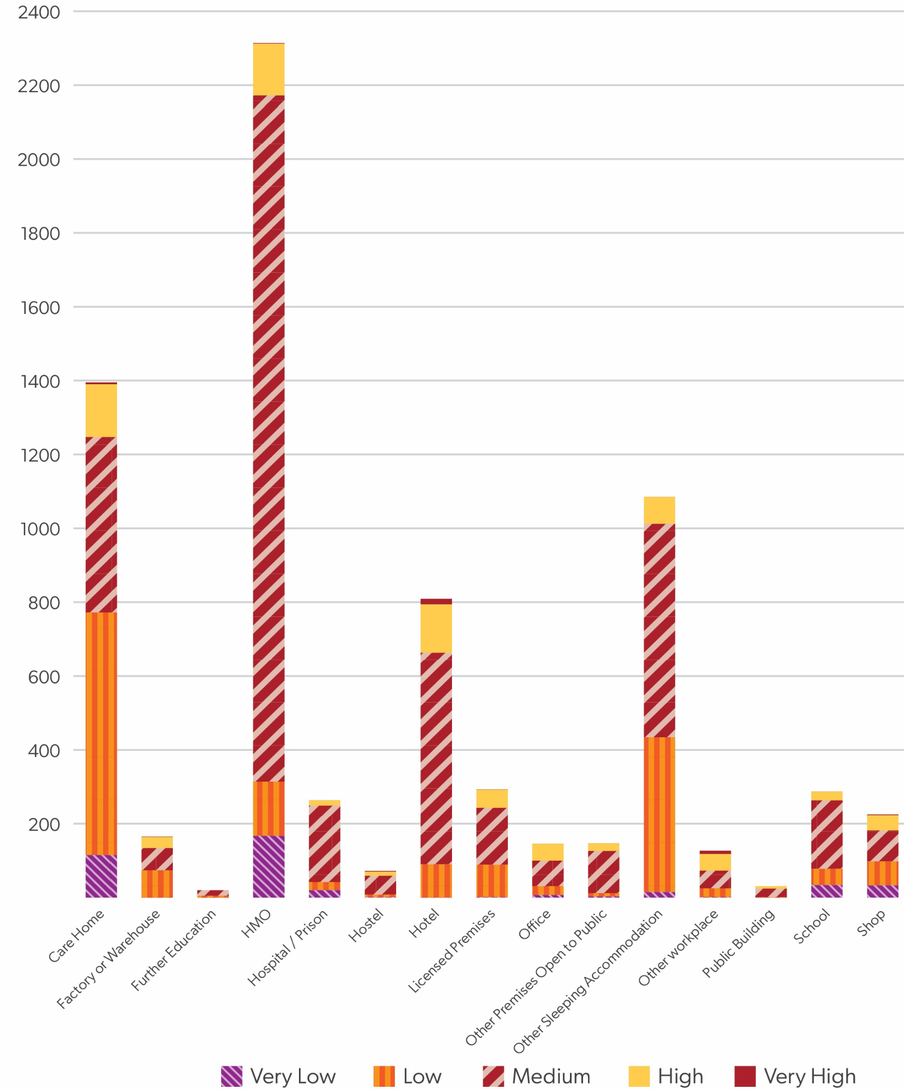
Audits by Premises Type and Risk
Chart Code
C_ND_RS1

